analyze
Sum of Total Sales | Sum of Units Sold | Average of Price per Unit | Sum of Operating Profit
12,016,665 | 24,788,610 | 0.45 | 4,722,497

Sum of Total Sales | Years | Invoice Date
 | 2022 | 2023 | Grand Total
Beverage Brand
Coca-Cola | 204216.5 | 534782.3 | 738998.8
Diet Coke | 187856.2 | 488277.7 | 676133.9
Sprite | 160245.3 | 414613.3 | 574858.6
Fanta | 132121.3 | 334960.7 | 467082
Powerade | 129178.3 | 353559.5 | 482737.8
Dasani Water | 188222.7 | 515581.9 | 703804.6
Grand Total | 1001840.3 | 2641775.4 | 3643615.7

Sum of Total Sales | Years | Invoice Date
 | 2022 | 2023 | Grand Total
Retailer
Amazon |  | 163960 | 163960
BevCo | 17879.3 | 487491.6 | 505370.9
FizzyCo |  | 165867 | 165867
Target |  | 855119 | 855119
Walmart |  | 83300.8 | 83300.8
West Soda | 983961 | 886037 | 1869998
Grand Total | 1001840.3 | 2641775.4 | 3643615.7

Years | Invoice Date | Sum of Total Sales | Average of Operating Margin
2022 | Qtr1 | 323851.9 | 0.40388429752 | 2022 | Qtr1 | 323851.9 | 0.40388429752
 | Qtr2 | 344406.8 | 0.39565934066 | 0 | Qtr2 | 344406.8 | 0.39565934066
 | Qtr3 | 208967.6 | 0.328 | 0 | Qtr3 | 208967.6 | 0.328
 | Qtr4 | 124614 | 0.37063492063 | 0 | Qtr4 | 124614 | 0.37063492063
2023 | Qtr1 | 736899.3 | 0.38702422145 | 2023 | Qtr1 | 736899.3 | 0.38702422145
 | Qtr2 | 777225 | 0.40306306306 | 0 | Qtr2 | 777225 | 0.40306306306
 | Qtr3 | 608363.1 | 0.4062962963 | 0 | Qtr3 | 608363.1 | 0.4062962963
 | Qtr4 | 519288 | 0.40751351351 | 0 | Qtr4 | 519288 | 0.40751351351
Grand Total |  | 3643615.7 | 0.39669117647

Dashboard
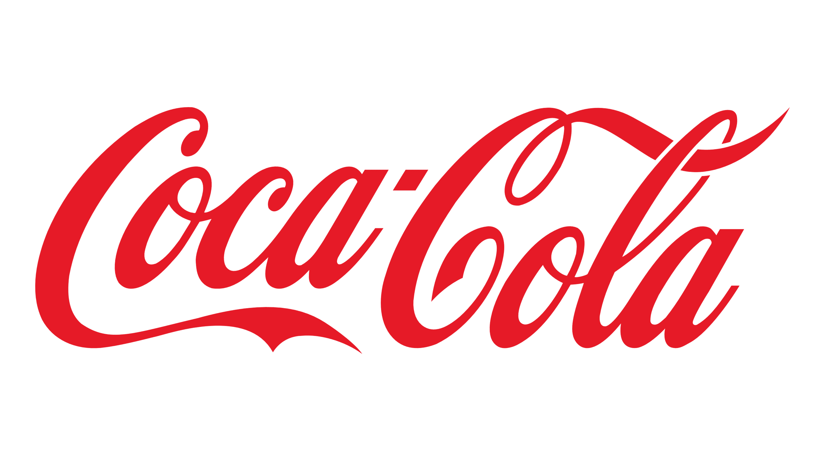

Coca-Cola USA Retailer Dashboard
Figures in USD
 |  |  |  |  |  |  |  | dashbooard未能同步，excel版本需要更新！！!

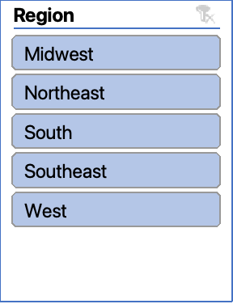

Units Sold
24,788,610
Average Price
0.45
Total Operating Profit
4,722,497
Total Sales
12,016,665

Sales by Beverage Brand |  |  |  | Sales by Retailer
Brand | Sales 2022 | Sales 2023 | Variance | Brand | Sales 2022 | Sales 2023 | Variance
Coca-Cola | 204,217 | 534,782 | 330,566 | Amazon | 0 | 163,960 | 163,960
Diet Coke | 187,856 | 488,278 | 300,422 | BevCo | 17,879 | 487,492 | 469,612
Sprite | 160,245 | 414,613 | 254,368 | FizzyCo | 0 | 165,867 | 165,867
Fanta | 132,121 | 334,961 | 202,839 | Target | 0 | 855,119 | 855,119
Powerade | 129,178 | 353,560 | 224,381 | Walmart | 0 | 83,301 | 83,301
Dasani Water | 188,223 | 515,582 | 327,359 | West Soda | 983,961 | 886,037 | -97,924
Total | 1,001,840 | 2,641,775 | 1,639,935 | Total | 1,001,840 | 2,641,775 | 1,639,935

Sales and operating Profit Margin by Quarter
 | sales | operating profit margin
Qtr1 | 323851.9 | 0.40388429752
Qtr2 | 344406.8 | 0.39565934066
Qtr3 | 208967.6 | 0.328
Qtr4 | 124614 | 0.37063492063
Qtr1 | 736899.3 | 0.38702422145
Qtr2 | 777225 | 0.40306306306
Qtr3 | 608363.1 | 0.4062962963
Qtr4 | 519288 | 0.40751351351

